Infiltration
Permeable Pavement - Design Procedure |  |  | BMP ID |  | Legend: |  | Required Entries
 |  |  |  |  |  |  | Calculated Cells
Company Name: |  |  |  |  |  |  | Date:
Designed by: |  |  |  |  |  |  | County/City Case No.:
Design Volume

 | Enter the area tributary to this feature |  |  |  |  |  | AT= |  | acres

 | Enter VBMP determines from Section 2.1 of this Handbook |  |  |  |  |  | VBMP= |  | ft3

Permeable Pavement Surface Area

 | Reservoir Layer Depth, bTH |  |  |  |  | bTH= |  | inches
 | Minimum Surface Area Required, AS
 | AS (ft) = | VBMP (ft3) |  |  |  | AS= |  | ft2
 |  | (0.4 x bTH (in)) / 12(in/ft) | Proposed Surface Area = |  |  |  |  | ft2

Permeable Pavement Cross Section
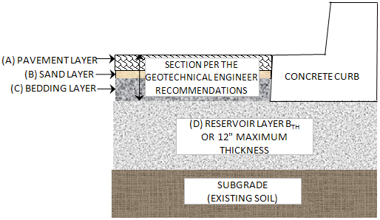
 |  |  |  | Per the Geotechnical Engineer's Recommendations |  |  | (A) |  | in
 |  |  |  |  |  |  | (B) |  | in
 |  |  |  |  |  |  | (C) |  | in

 |  |  |  | Reservoir Layer |  |  | (D) |  | in

 |  |  |  | Total Permeable Pavement Section |  |  |  |  | in

 |  |  |  | Slope of Permeable Pavement |  |  |  |  | %

 | Sediment Control Provided? (Use pulldown)

 | Geotechnical report attached? (Use pulldown)

Describe Surrounding Vegetation:

Notes:

If the permeable pavement has been designed correctly, there should be no error messages on the spreadsheet.

