Standard Design
Sand Filter Basin (SFB) - Design Procedure |  |  | BMP ID |  | Legend: |  | Required Entries
 |  |  |  |  |  |  | Calculated Cells
Company Name: |  |  |  |  |  |  | Date:
Designed by: |  |  |  |  |  |  | County/City Case No.:
Design Volume

Total Tributary area |  |  |  |  |  | ATRIB = |  | ac

Enter VBMP determined from Section 2.1 of this Handbook |  |  |  |  |  | VBMP= |  | ft3

Basin Geometry

Basin side slopes (no steeper than 4:1) |  |  |  |  |  | z = |  | :1

Proposed basin depth (see Figure 1) |  |  |  |  |  | dB = |  | ft

Depth of freeboard (if used) |  |  |  |  |  | dfb = |  | ft

Minimum bottom surface area of basin (As = VBMP/dB) |  |  |  |  |  | As = |  | ft2

Minimum total depth required (includes freeboard, filter media and subdrains) |  |  |  |  |  | dreq = |  | ft

Proposed Surface Area |  |  |  |  |  |  |  | ft2

Forebay

Forebay volume (minimum 0.5% VBMP) |  |  |  |  |  | Volume = |  | ft3

Forebay depth (height of berm/splashwall. 1 foot min.) |  |  |  |  |  | Depth = |  | ft

Forebay surface area (minimum) |  |  |  |  |  | Area = |  | ft2

Full height notch-type weir |  |  |  |  | Width (W) = |  |  | in

Filter Media
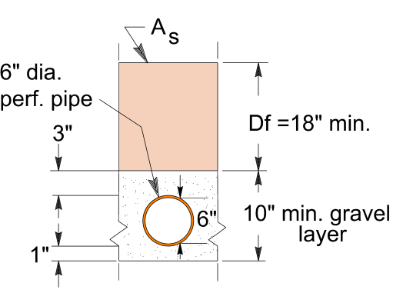
Description of filter media

 | Sand (ASTM C-33)

 | Other (Clarify in "Notes" below)

Media depth, | df = | inches

Underdrains

Diameter of perforated underdrain |  |  |  |  |  |  |  | in

Spacing of underdrains (maximum 20 feet on center) |  |  |  | OK |  |  |  | ft

Notes:

